2. Population Flow
Population Flow

Exclusion flag
Condition: max_order < 5
Obervations to be removed: 1,440,295
Final total count of order_products_all: 32,404,859 X 35

Orders_products_combined
Orders_products_merged
Orders_products_all

Total: 32404859 X 15
Total: 32434489 X 10
Total: 32404859 X 38

5.Column Aggregations
Dataset | Results | New Column | Column Derived From | Comments / Explaination

orders_products_merged | 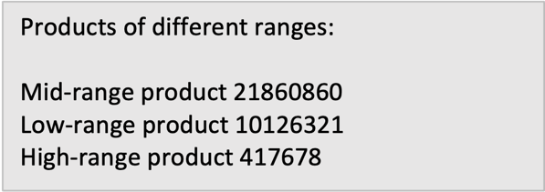 | price_range | prices | Low-range <5 Mid-range product 5-15 High-range >15
orders_products_merged | 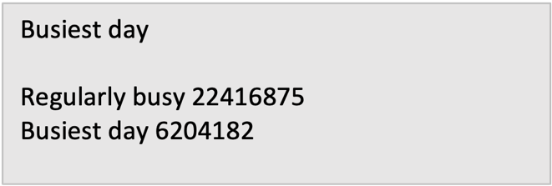 | busiest_day | order_day_of_the_week | Busiest day=0 Least busy=4 Regularly busy=1,2,3,5,6
orders_products_merged |  | busiest_period_of_day | order_hour_of_day | High = one of these days: 10, 11, 14, 15, 13, 12, 16, 9 Average= one of these days 8, 18, 19, 20, 7, 17 Low= one of these days 21, 22, 23, 6, 0, 1, 5, 2, 4, 3
orders_products_merged | 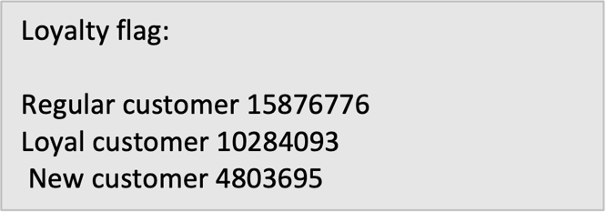 | loyalty_flag | order_number user_id | New customer <= 10 Regular customer>10 and <=40 Loyal customer >40
orders_products_merged |  | spending_range | user_id prices average_price | Low spender<10 High spender>=10
orders_products_merged | 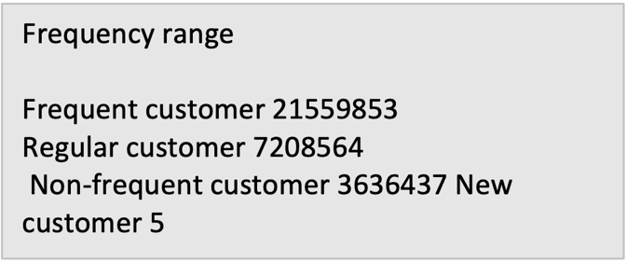 | frequency_flag | user_id days_since_prior_order median_days_spo | Frequent customer >20 Regular customer >10 & <=20 Non-frequent customer >0 and <=10 New customer 0
orders_products_all | 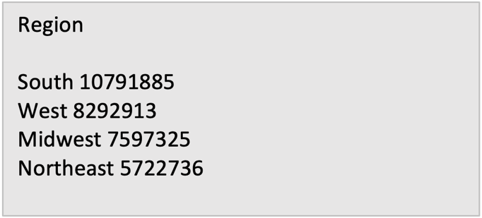 | region | state | northeast='Maine', 'New Hampshire', 'Vermont', 'Massachusetts', 'Rhode Island', 'Connecticut', 'New York', 'Pennsylvania', 'New Jersey' midwest= 'Wisconsin', 'Michigan', 'Illinois', 'Indiana', 'Ohio', 'North Dakota', 'South Dakota', 'Nebraska', 'Kansas', 'Minnesota', 'Iowa', 'Missouri' south='Delaware', 'Maryland', 'District of Columbia', 'Virginia', 'West Virginia', 'North Carolina', 'South Carolina', 'Georgia', 'Florida', 'Kentucky', 'Tennessee', 'Mississippi', 'Alabama', 'Oklahoma', 'Texas', 'Arkansas', 'Louisiana' west= 'Idaho', 'Montana', 'Wyoming', 'Nevada', 'Utah', 'Colorado', 'Arizona', 'New Mexico', 'Alaska', 'Washington', 'Oregon', 'California', 'Hawaii'
orders_products_all | 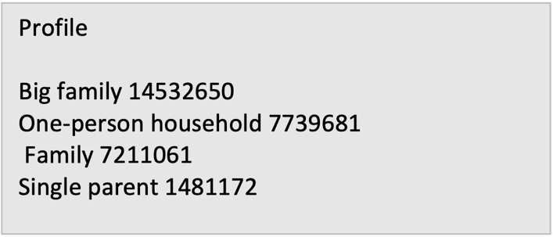 | profile | fam_status n_dependants | One-person household (single, divorced/widowed, or living with parents and siblings person with no dependants) Single parent (single, divorced/widowed, or living with parents person with one or more dependants) Family (married person with a maximum of one dependant) Big family (married person with two and more dependants)
orders_products_all | 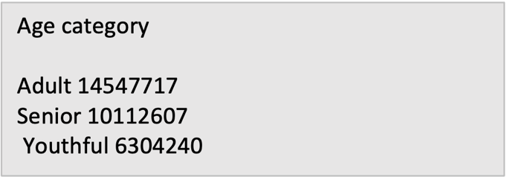 | age_categories | age | Youthful (18-30 years) Adult (30-60 years) Senior (over 60 years)
orders_products_all | 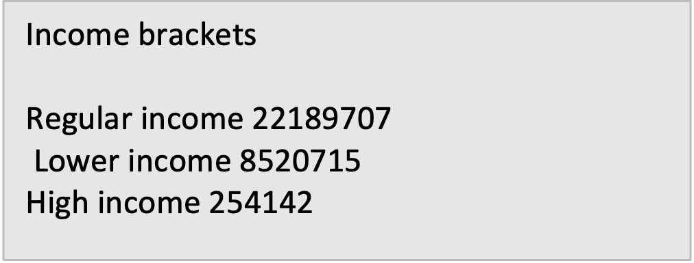 | income_brackets | income | Lower income (<70000) Regular income (70000-200000) High income (>200000)
orders_products_all |  | time_day_engagement | order_hour_of_day | Ordering occurred during all hours

6. Visualizations
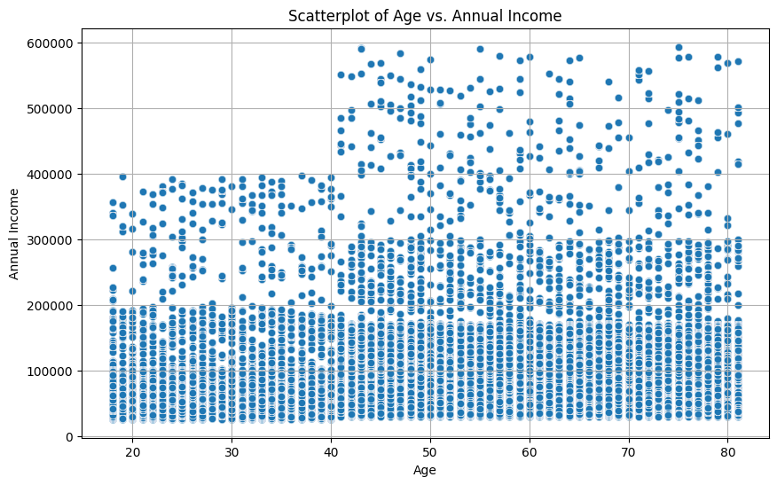
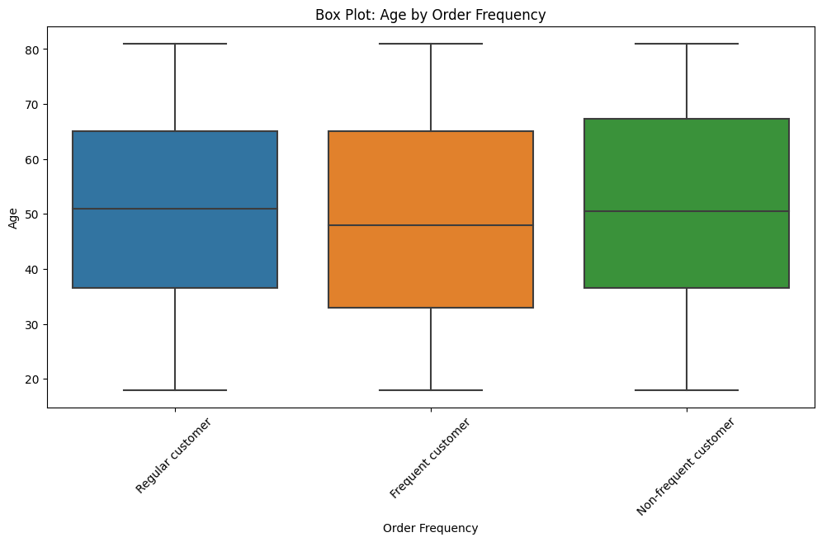
Visualizations

 | Key Questions

Q1. What are the busiest days of the week and time of the day?
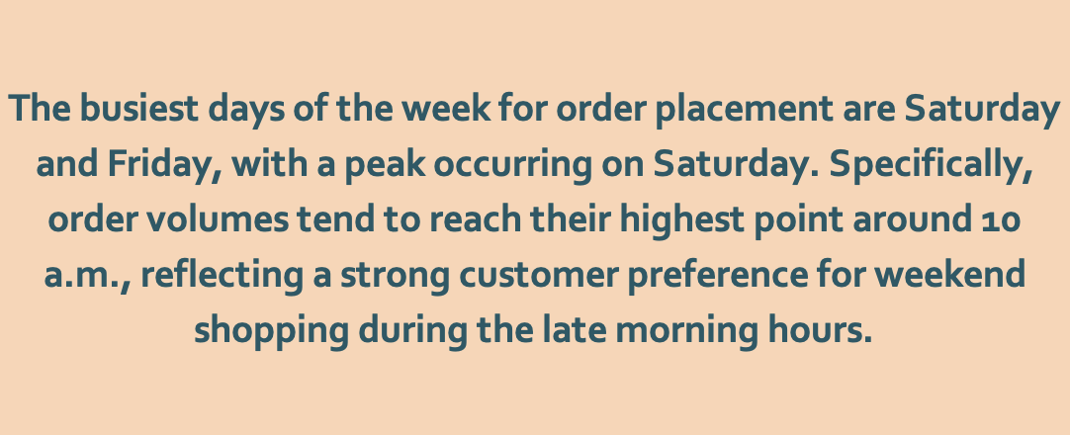
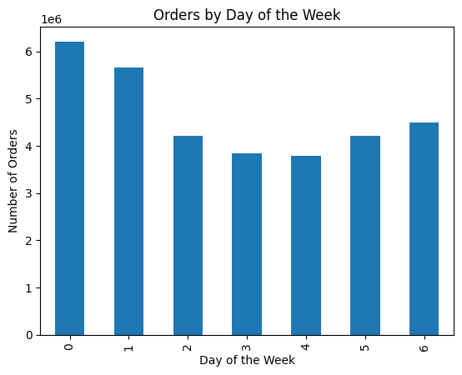
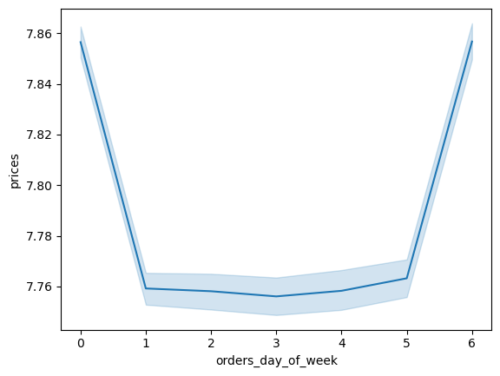

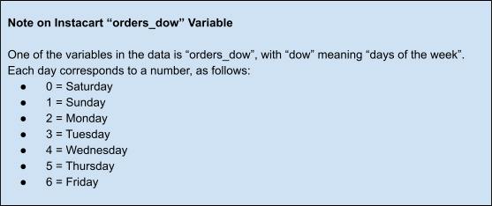

Q2. What time of the day is the most money spent?

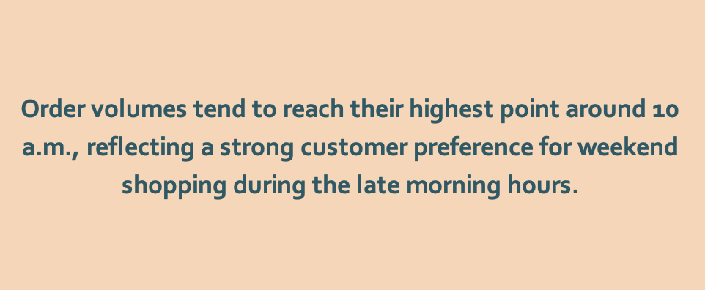
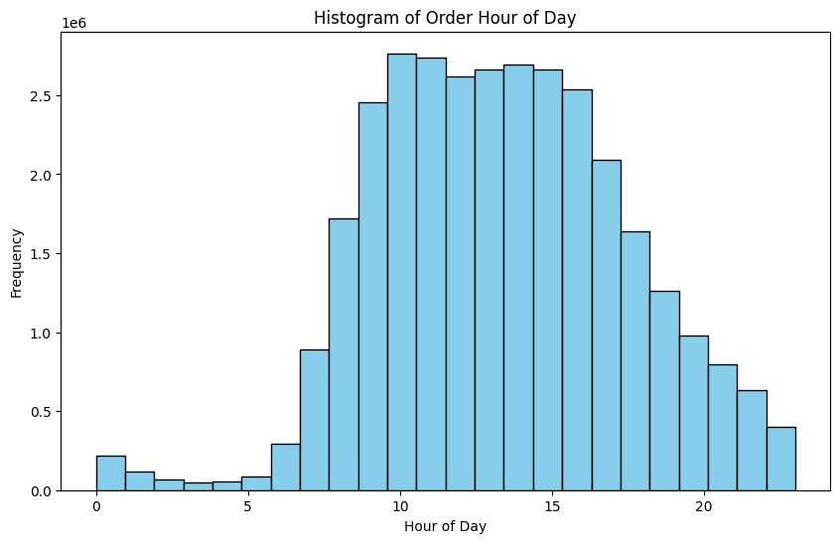

Q3. What price range groupings could be used to direct marketing and sales?

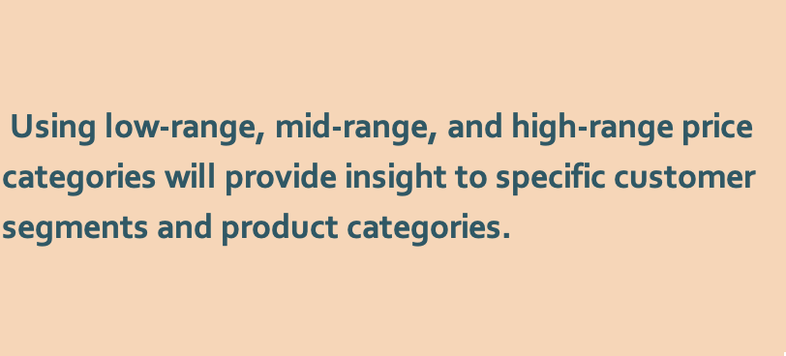
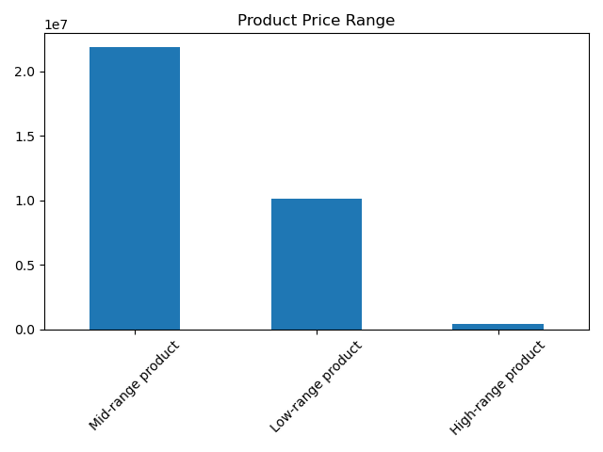
 |  | Price Key
 |  | Mean | $7.79
 |  | Max | $25.00
 |  | Min | $1.00
 |  | 25% | $4.20
 |  | 50% | $7.40
 |  | 75% | $11.30
 |  | Standard deviation | $4.24
 |  | Price Range
 |  | Low-range | $5 and under
 |  | Mid-range | $5 - $15
 |  | High-range | > $15

Q4. Which departments have the highest frequency of product orders? Are there certain types of product that are more popular than others?

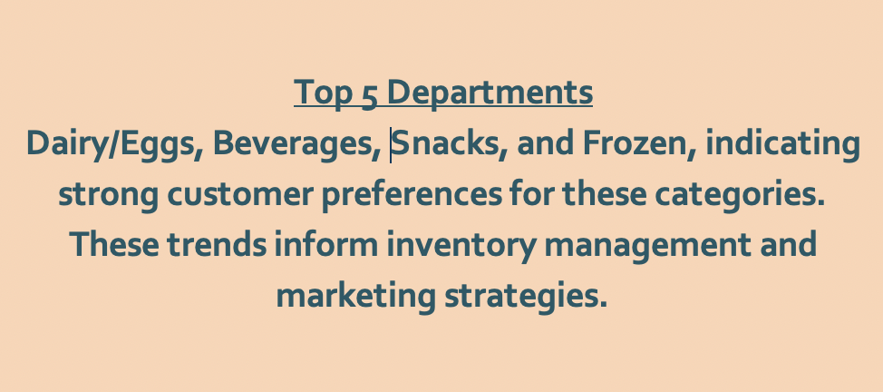
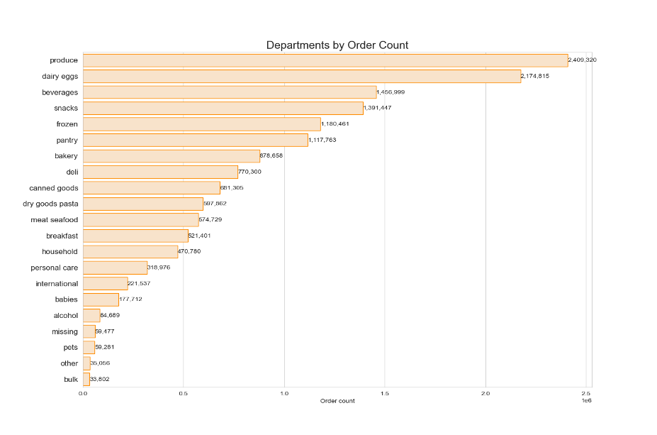

 | Marketing & Sales

Q5. What's the distribution among users in regards to their brand loyalty (i.e. how often do they retrun to Instacart)?
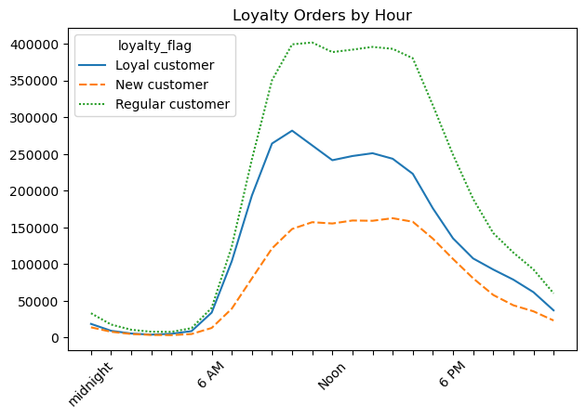
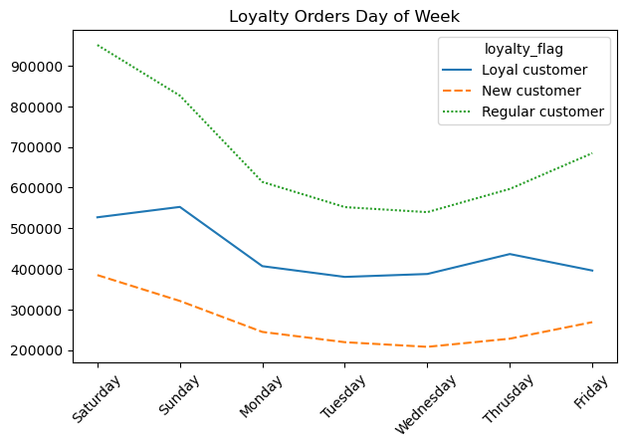
Loyalty Key
New | < 10 orders
Regular | 11 - 39 orders
Loyal | 40 or more orders

Q6. Are there differences in ordering habits based on a customer's loyalty status?

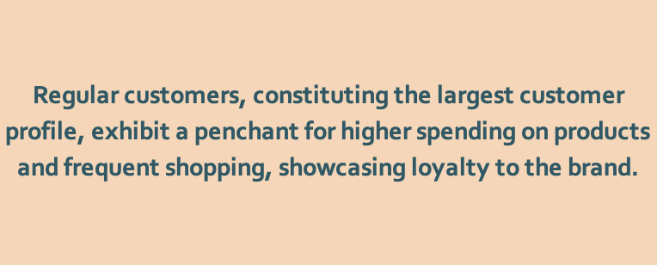
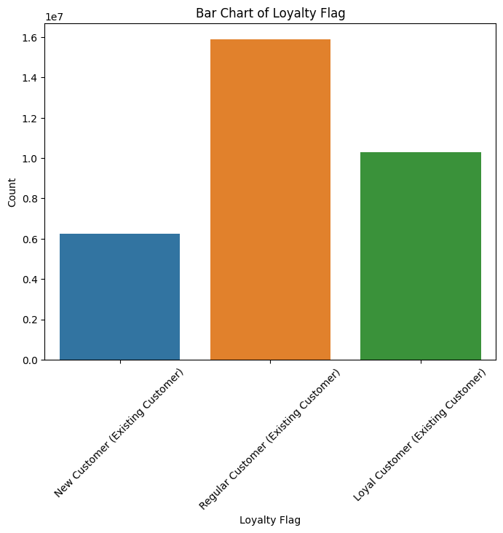

Q7. Are there differences in ordering habits based on a customer's region?

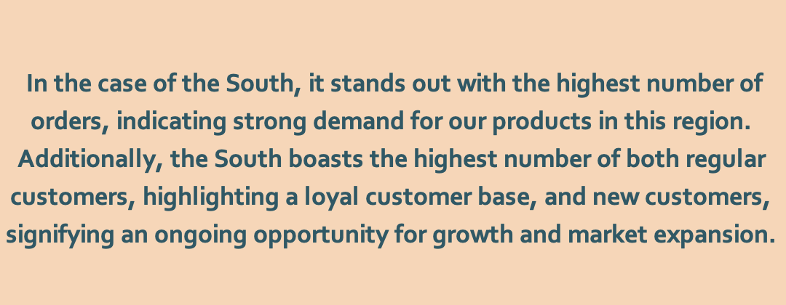
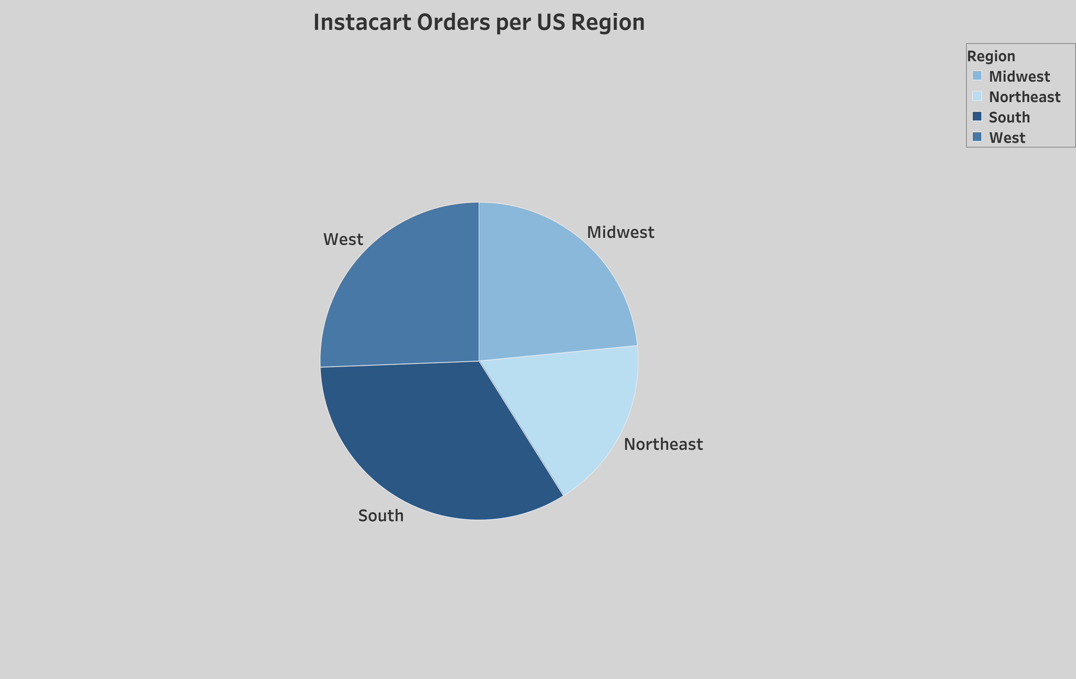

 | Key to Regions
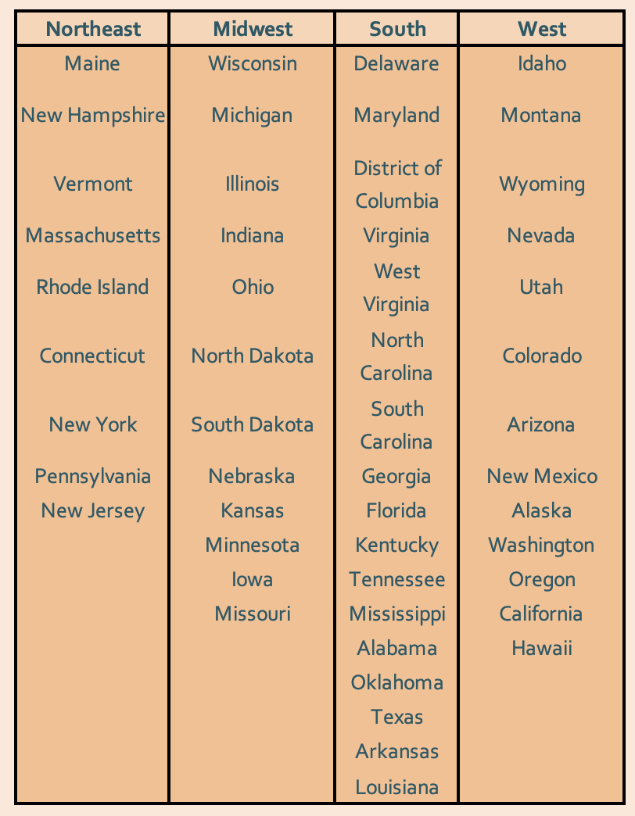

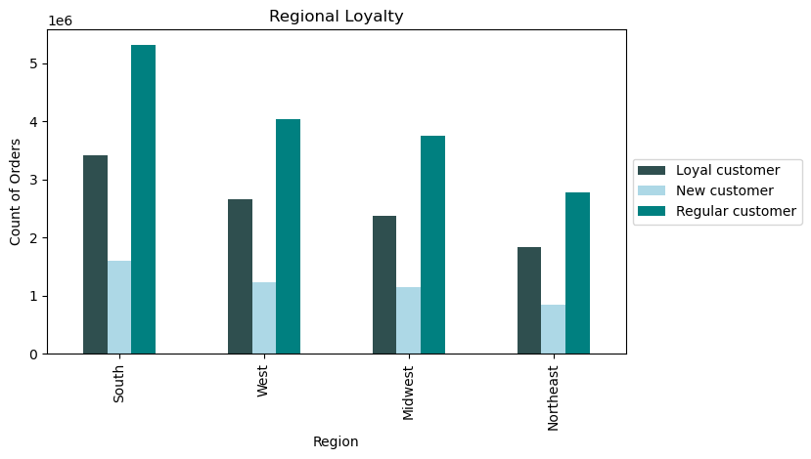

Q8. Is there a connection between age and family status in terms of ordering habits?

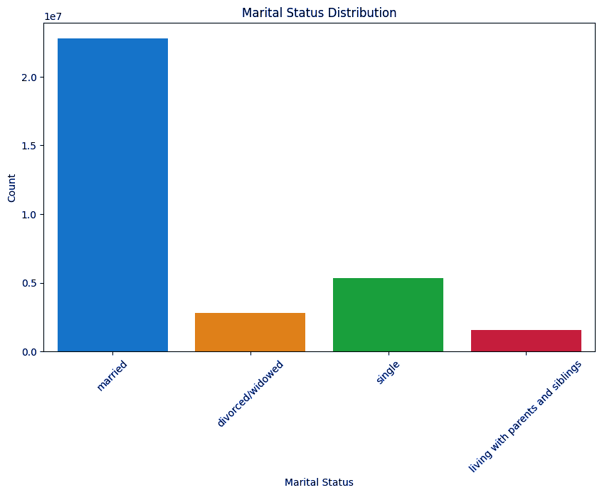
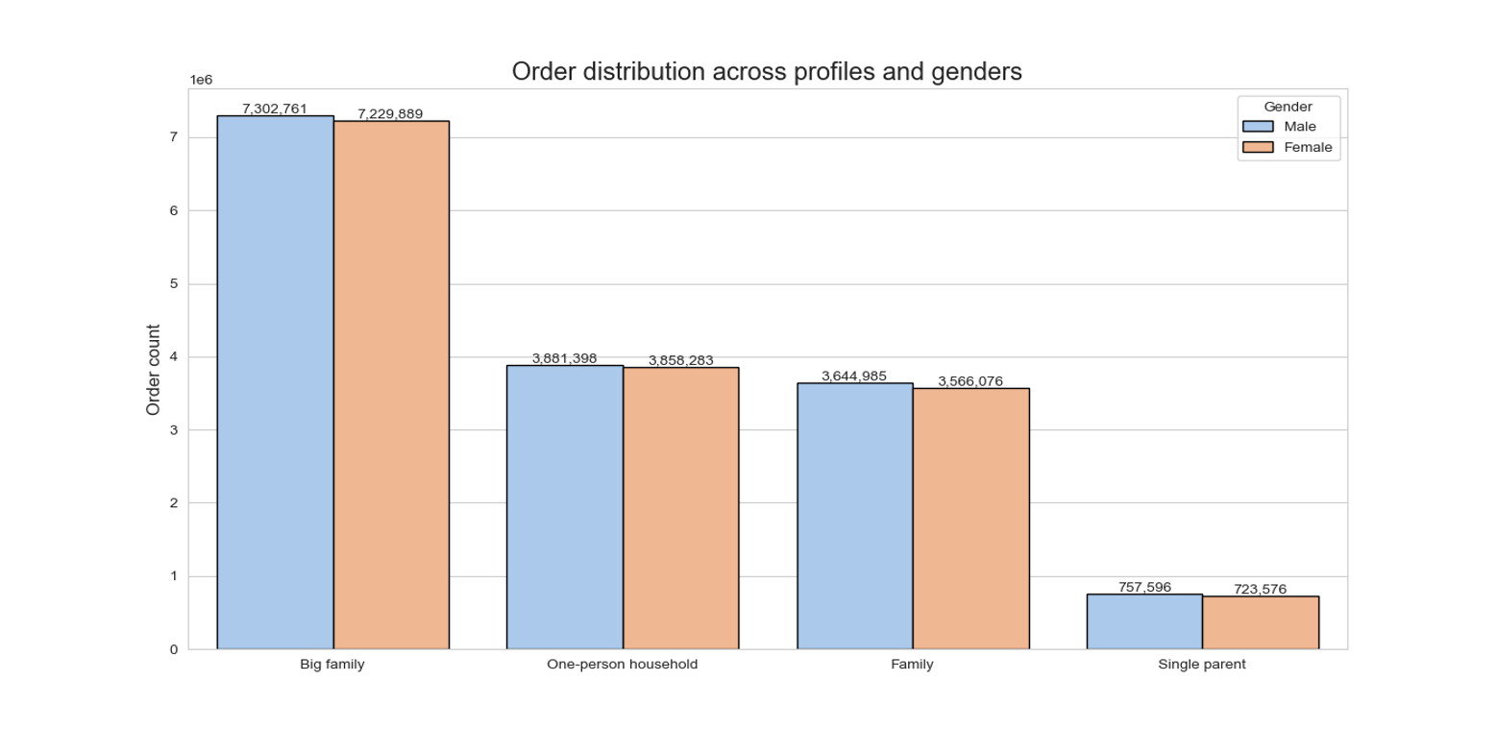

Q9. What different classifications does the demographic information suggest? Age? Income? Certain types of goods? Family status?

